prevalence_data_by_age
age group | Year | variable | value | sample size | population size in that year | CI95 | source
all | 2022 | infectprev | 1.00 |  |  |  | https://bmcinfectdis.biomedcentral.com/articles/10.1186/s12879-022-07074-2
0-10 | 2004 | prev1_2 | 1.47 | 5964 | 9553008 | 0.31 | https://journals.plos.org/plosone/article?id=10.1371/journal.pone.0149362
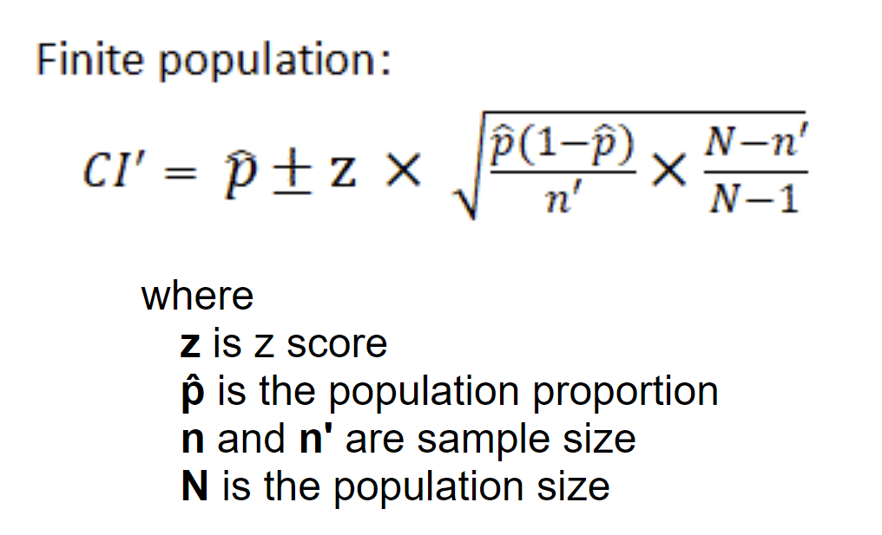
11-20 | 2004 | prev3_4 | 1.42 | 5964 | 9419566 | 0.3 | https://journals.plos.org/plosone/article?id=10.1371/journal.pone.0149362
21-30 | 2004 | prev5_6 | 2.28 | 5964 | 10570790 | 0.38 | https://journals.plos.org/plosone/article?id=10.1371/journal.pone.0149362
31-40 | 2004 | prev7_8 | 2.56 | 5964 | 10972787 | 0.4 | https://journals.plos.org/plosone/article?id=10.1371/journal.pone.0149362
41-50 | 2004 | prev9_10 | 3.10 | 5964 | 8859873 | 0.44 | https://journals.plos.org/plosone/article?id=10.1371/journal.pone.0149362
>50 | 2004 | prev11_21 | 3.36 | 5964 | 11173300 | 0.46 | https://journals.plos.org/plosone/article?id=10.1371/journal.pone.0149362
Total | 2004 | infectprev | 2.15 | 5964 | 60549324 | 0.37 | https://journals.plos.org/plosone/article?id=10.1371/journal.pone.0149362
0-10 | 2014 | prev1_2 | 0.35 | 5964 | 8485974 | 0.15 | https://journals.plos.org/plosone/article?id=10.1371/journal.pone.0149362
11-20 | 2014 | prev3_4 | 0.59 | 5964 | 8829060 | 0.19 | https://journals.plos.org/plosone/article?id=10.1371/journal.pone.0149362
21-30 | 2014 | prev5_6 | 0.45 | 5964 | 9330783 | 0.17 | https://journals.plos.org/plosone/article?id=10.1371/journal.pone.0149362
31-40 | 2014 | prev7_8 | 1.04 | 5964 | 10346437 | 0.26 | https://journals.plos.org/plosone/article?id=10.1371/journal.pone.0149362
41-50 | 2014 | prev9_10 | 2.72 | 5964 | 10465811 | 0.41 | https://journals.plos.org/plosone/article?id=10.1371/journal.pone.0149362
>50 | 2014 | prev11_21 | 1.46 | 5964 | 16496285 | 0.3 | https://journals.plos.org/plosone/article?id=10.1371/journal.pone.0149362
Total | 2014 | infectprev | 1.18 | 5964 | 63954350 | 0.27 | https://journals.plos.org/plosone/article?id=10.1371/journal.pone.0149362
 | 2022 | prev1_2 | 0.00
 | 2022 | prev3_4 | 0.00
 | 2022 | prev5_6 | 0.00
 | 2022 | prev7_8 | 0.00
 | 2022 | prev9_10 | 0.00
 | 2022 | prev11_21 | 0.00

